assignment1
Assignment 1: | Display all the product name in uppercase.

Query: | SELECT UPPER(NAME) FROM products;

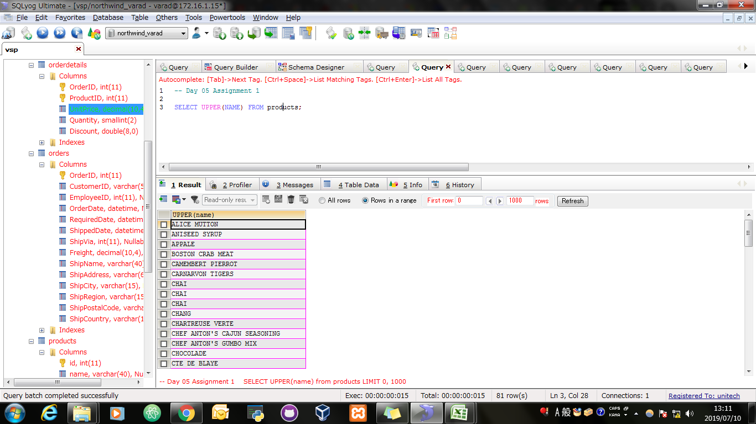
Screen Shoot:

assignment2
Assignment 2: | Display last 3 characters from product name

Query: | SELECT SUBSTR(NAME,-3) FROM products;

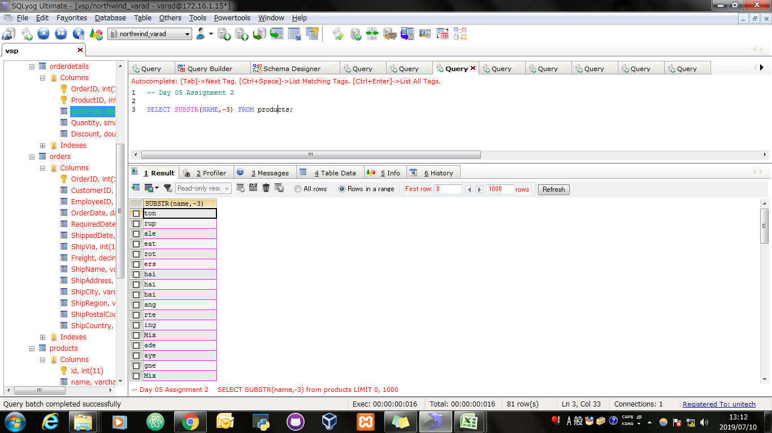
Screen Shoot:

assignment3
Assignment 3: | Display all the customers postal code. Postal code should be minimum 9 character. In case there are less then 9 character in database add "0" at beginning.

Query: | SELECT IF(LENGTH(PostalCode)<9, LPAD(postalcode,9,'0'),postalcode) AS "9 Digit PostalCode" FROM customers WHERE PostalCode IS NOT NULL;

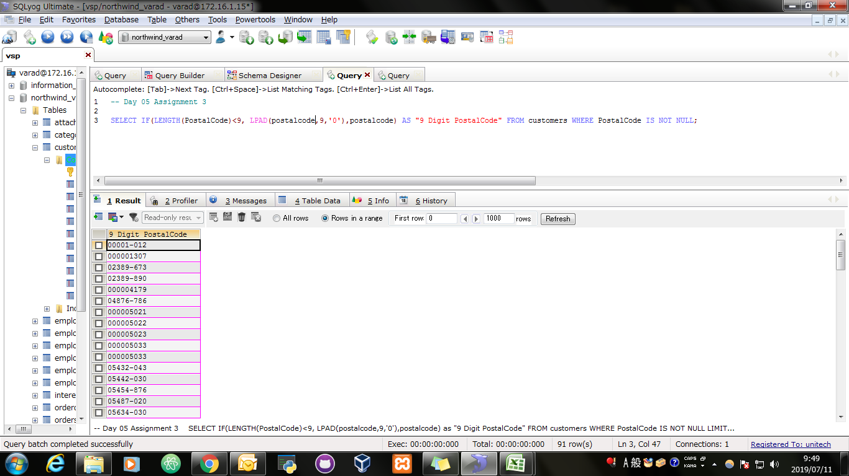
Screen Shoot:

 | SELECT * FROM EMPLOYEETEMP;

assignment4
Assignment 4: | Display unitprice from products. Remove decimal from the unit price.

Query: | SELECT ABS(ROUND(price)) AS "UnitPrice" FROM products;

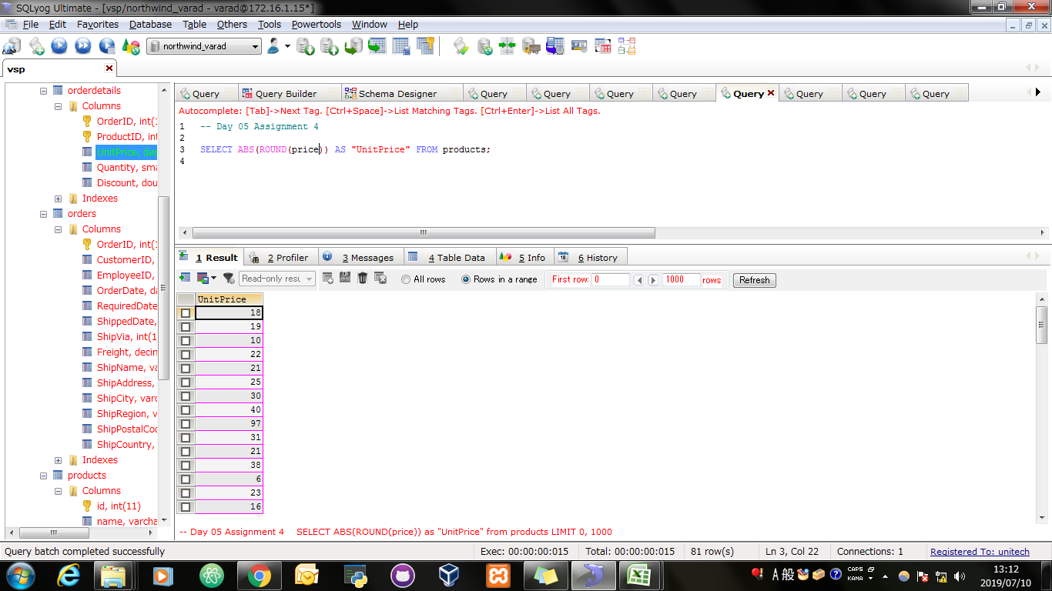
Screen Shoot:

 | SELECT * FROM EMPLOYEETEMP;

assignment5
Assignment 5: | Get final order price per order. Price should be floored from the output.

Query: | SELECT OrderID,SUM(FLOOR(UnitPrice)) AS "Final Order Price Per Order" FROM orderdetails GROUP BY OrderID;

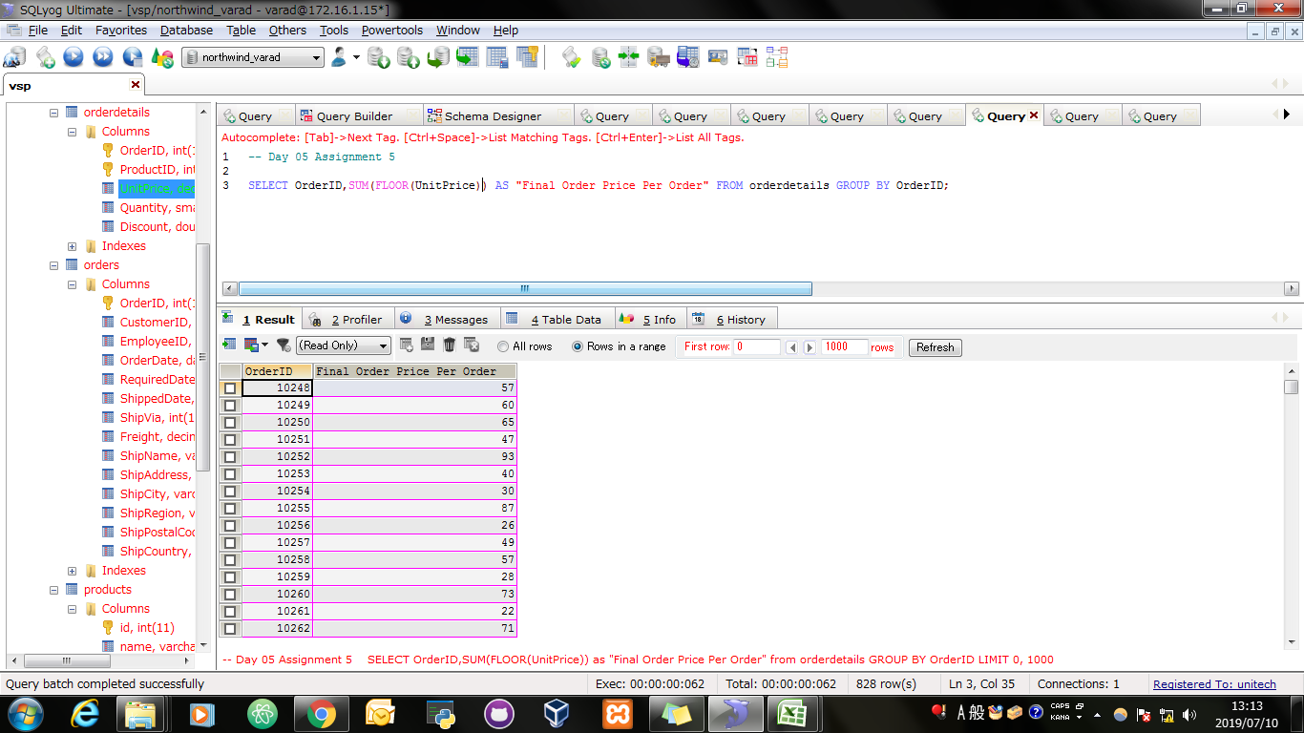
Screen Shoot:

 | SELECT * FROM EMPLOYEETEMP;

assignment6
Assignment 6: | Get final order price per order. Price should be ceiled from the output.

Query: | SELECT OrderID,SUM(CEIL(UnitPrice)) AS "Final Order Price Per Order" FROM orderdetails GROUP BY OrderID;


Screen Shoot:

 | SELECT * FROM EMPLOYEETEMP;

assignment7
Assignment 7: | Display order date in yyyy/MM/dd format.

Query: | SELECT DATE_FORMAT(Orderdate,'%Y/%m/%d') AS " Updated OrderDate In yyyy/MM/dd Format" FROM orders;

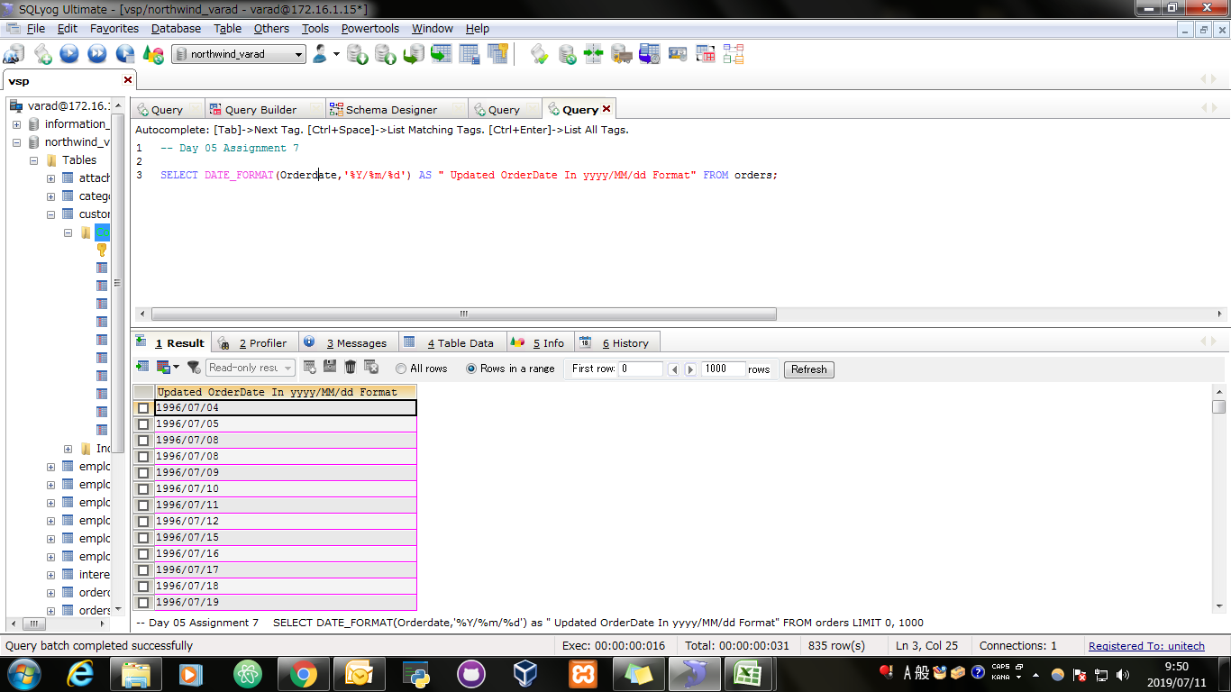
Screen Shoot:

assignment8
Assignment 8: | Display 5 latest orders from order.

Query: | SELECT * FROM orders ORDER BY OrderDate DESC LIMIT 5;

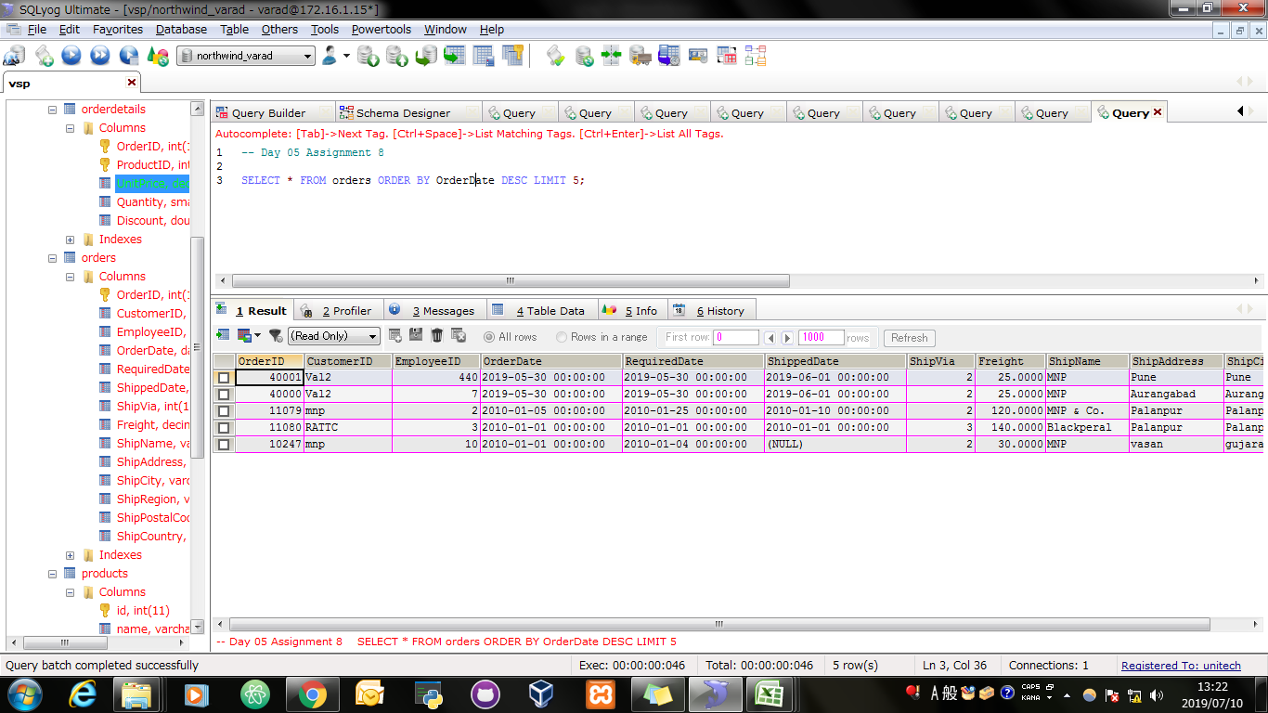
Screen Shoot:

 | SELECT * FROM EMPLOYEETEMP;

